Form
Style B - Badge with standard pin attachment - $8.50
Style BM - Style "B" with magnet attachment - $11.25
Style F - Fold-over Style badge - $9.00 Style FM - Style "F" with added magnet attachment - $11.75
(All pricing includes tax)
 | Name Badge Order Form

Submitted By: | Patrick Schmitt
Date:
Phone: | (5037684573
Email: | kofcshirts@gmail.com

NAME - (As shown on badge) Please Print |  | Title (if desired) (Please Print) | Phone | Badge Style | Price Each | Quan. | TOTAL | Date Paid | Chk. / Chg.

 |  |  |  |  | $0.00 |  | $0.00
 |  |  |  |  | $0.00 |  | $0.00
 |  |  |  |  | $0.00 |  | $0.00
 |  |  |  |  | $0.00 |  | $0.00
 |  |  |  |  | $0.00 |  | $0.00
 |  |  |  |  | $0.00 |  | $0.00
Note: Payment will be collected when shirt(s) are picked up. |  |  |  |  |  | Total = | $0.00
Checks or Credit Cards accepted
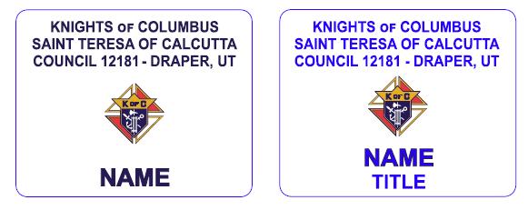
Please make checks payable to: KC12181

Mail completed form to:
Patrick Schmitt
2063 E Autumn Fields Ln
Draper, UT 84020

or email to:
kofcshirts@gmail.com

